Sheet1

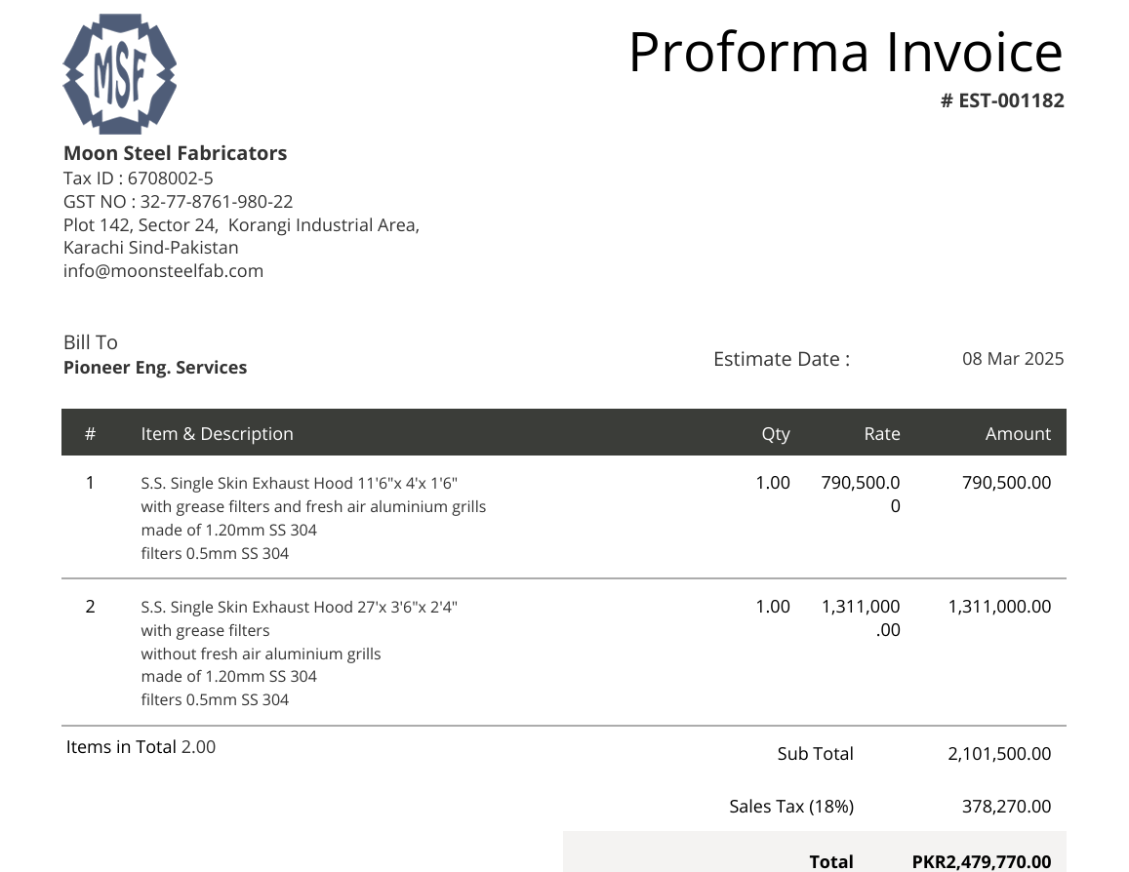

M/S IK Associates |  |  |  |  |  |  |  | 2025-03-10

Project: Khaadi Kanteen F-6, Islamabad

Attn: Salman Mughal

Variation # 1
Supply & installation of S.S Kitchen Hood

S. # | Description | Material Rate | Labour Rate | Over Head profit 28% | Total Rate | Unit | Qty | Amount
1 | Supply and installation of S.S. Single Skin Exhaust Hood 11'6"x 4'x 1'6" with grease filters and fresh air aluminium grills made of 1.20mm SS 304 filters 0.5mm SS 304 | 932,790 | 25,000 | 268,181 | 1,225,971 | No | 1 | 1,225,971 | 790500 | 932,790.00 | 650000 | 767000
2 | Supply and installation S.S. Single Skin Exhaust Hood 27'x 3'6"x 2'4" with grease filters without fresh air aluminium grills made of 1.20mm SS 304 filters 0.5mm SS 304 | 1,546,980 | 35,000 | 442,954 | 2,024,934 | No | 1 | 2,024,934 | 1311000 | 1,546,980.00
3 | Hangers and supports. | 20,000 | 5,000 | 7,000 | 32,000 | Job | 1 | 32,000
4 | Transportaion charges | - | 100,000 | 28,000 | 128,000 | Job | 1 | 128,000
Total Amount Rs. |  |  |  |  |  |  |  | 3,410,906

Note: Supplier's quotation attached

Thanking you,

For PIONEER ENGINEERING SERVICES.

Bilal Habib

